Sheet1
Vera Wang Jeans

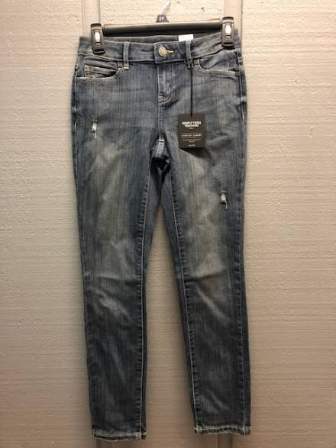
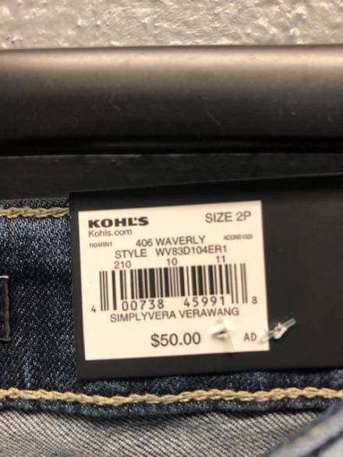
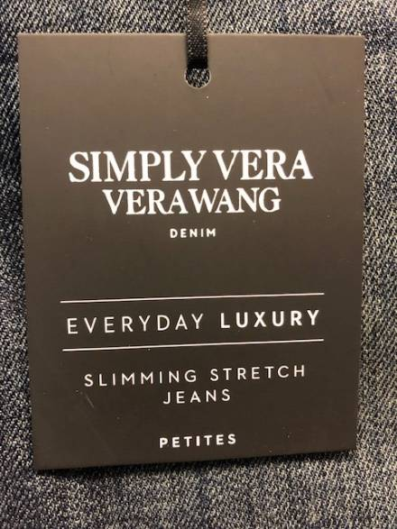
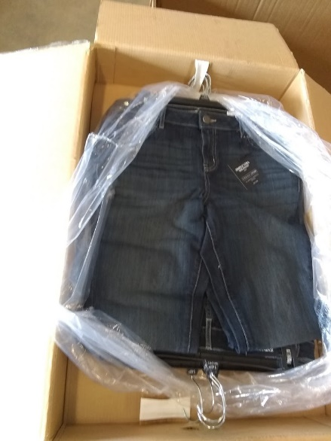
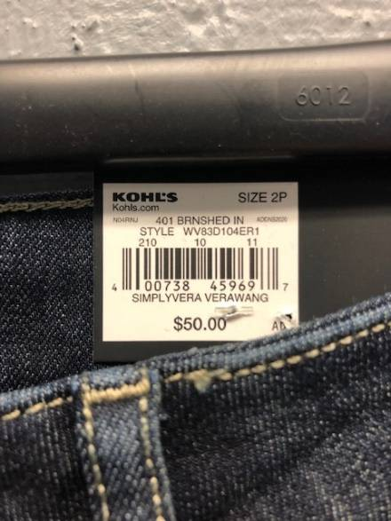
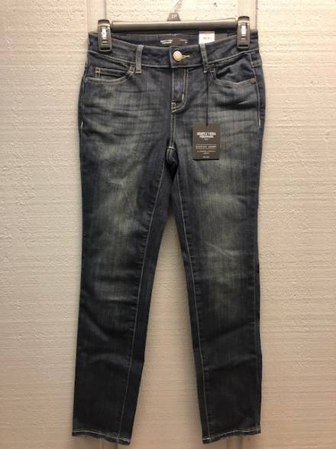

 | Pallet #1 - Petite
 | UPC | Units Per Case | Cases | Color | 2 | 4 | 6 | 8 | 10 | 12 | 14 | 16 | Total

 |  |  | 1 |  | 10
 |  |  | 2 |  |  | 20
 |  |  | 3 |  |  |  | 30
 | 400738459697 | 10 | 1 | BRNSHED IN |  |  |  | 10 |  |  |  |  | 200
 |  |  | 3 |  |  |  |  |  | 30
 |  |  | 3 |  |  |  |  |  |  | 30
 |  |  | 4 |  |  |  |  |  |  |  | 40
 |  |  | 3 |  |  |  |  |  |  |  |  | 30

 | Pallet #1 - Petite Short
 | UPC | Units Per Case | Cases | Color | 2 | 4 | 6 | 8 | 10 | 12 | 14 | 16 | Total

 |  |  | 1 |  | 10
 |  |  | 1 |  |  | 10
 |  |  |  |  |  |  | 0
 | 400738459697 | 10 | 1 | BRNSHED IN |  |  |  | 10 |  |  |  |  | 40
 |  |  |  |  |  |  |  |  | 0
 |  |  | 1 |  |  |  |  |  |  | 10
 |  |  |  |  |  |  |  |  |  |  | 0
 |  |  |  |  |  |  |  |  |  |  |  | 0

 | Pallet #2 - Petite
 | UPC | Units Per Case | Cases | Color | 2 | 4 | 6 | 8 | 10 | 12 | 14 | 16 | Total

 |  |  | 2 |  | 20
 |  |  | 1 |  |  | 10
 |  |  | 2 |  |  |  | 20
 | 400738459697 | 10 | 1 | BRNSHED IN |  |  |  | 10 |  |  |  |  | 130
 |  |  |  |  |  |  |  |  | 0
 |  |  | 2 |  |  |  |  |  |  | 20
 |  |  | 2 |  |  |  |  |  |  |  | 20
 |  |  | 3 |  |  |  |  |  |  |  |  | 30

 | Pallet #2 - Petite Short
 | UPC | Units Per Case | Cases | Color | 2 | 4 | 6 | 8 | 10 | 12 | 14 | 16 | Total

 |  |  |  |  | 0
 |  |  | 1 |  |  | 10
 |  |  | 2 |  |  |  | 20
 | 400738459697 | 10 | 2 | BRNSHED IN |  |  |  | 20 |  |  |  |  | 110
 |  |  | 3 |  |  |  |  |  | 30
 |  |  | 2 |  |  |  |  |  |  | 20
 |  |  | 1 |  |  |  |  |  |  |  | 10
 |  |  |  |  |  |  |  |  |  |  |  | 0

 | Pallet #4 - Petite
 | UPC | Units Per Case | Cases | Color | 2 | 4 | 6 | 8 | 10 | 12 | 14 | 16 | Total

 |  |  | 2 |  | 20
 |  |  |  |  |  | 0
 |  |  | 1 |  |  |  | 10
 | 400738459697 | 10 | 4 | BRNSHED IN |  |  |  | 40 |  |  |  |  | 110
 |  |  | 2 |  |  |  |  |  | 20
 |  |  |  |  |  |  |  |  |  | 0
 |  |  | 1 |  |  |  |  |  |  |  | 10
 |  |  | 1 |  |  |  |  |  |  |  |  | 10

 | Pallet #4 - Petite Short
 | UPC | Units Per Case | Cases | Color | 2 | 4 | 6 | 8 | 10 | 12 | 14 | 16 | Total

 |  |  |  |  | 0
 |  |  | 1 |  |  | 10
 |  |  |  |  |  |  | 0
 | 400738459697 | 10 | 3 | BRNSHED IN |  |  |  | 30 |  |  |  |  | 130
 |  |  | 1 |  |  |  |  |  | 10
 |  |  | 4 |  |  |  |  |  |  | 40
 |  |  | 2 |  |  |  |  |  |  |  | 20
 |  |  | 2 |  |  |  |  |  |  |  |  | 20

 | Pallet #2 - Petite
 | UPC | Units Per Case | Cases | Color | 2 | 4 | 6 | 8 | 10 | 12 | 14 | 16 | Total

 |  |  | 4 |  |  | 40
 |  |  | 3 |  |  |  | 30
 |  |  | 1 |  |  |  |  | 10
 | 400738459918 | 10 | 1 | WAVERLY |  |  |  |  | 10 |  |  |  | 140
 |  |  | 1 |  |  |  |  |  |  | 10
 |  |  | 2 |  |  |  |  |  |  |  | 20
 |  |  | 2 |  |  |  |  |  |  |  |  | 20

 | Pallet #2 - Petite Short
 | UPC | Units Per Case | Cases | Color | 2 | 4 | 6 | 8 | 10 | 12 | 14 | 16 | Total

 |  |  | 1 |  |  | 10
 |  |  |  |  |  |  | 0
 |  |  | 3 |  |  |  |  | 30
 | 400738459918 | 10 | 2 | WAVERLY |  |  |  |  | 20 |  |  |  | 100
 |  |  | 2 |  |  |  |  |  |  | 20
 |  |  | 1 |  |  |  |  |  |  |  | 10
 |  |  | 1 |  |  |  |  |  |  |  |  | 10

 | Petite
 | UPC | Units Per Case | Cases | Color | 2 | 4 | 6 | 8 | 10 | 12 | 14 | 16 | Total
 |  |  | 2 |  |  |  |  | 20
 | 400738459918 | 10 |  | WAVERLY |  |  |  |  | 0
 |  |  | 1 |  |  |  |  |  |  | 10

 |  |  |  |  |  |  |  |  |  |  |  |  | 40

 | 400738459697 | 10 | 1 | BRNSHED IN |  |  |  |  |  | 10

 | Petite Short
 | UPC | Units Per Case | Cases | Color | 2 | 4 | 6 | 8 | 10 | 12 | 14 | 16 | Total
 |  |  |  |  |  |  |  | 0
 | 400738459918 | 10 | 1 | WAVERLY |  |  |  |  | 10
 |  |  | 2 |  |  |  |  |  |  | 20

 |  |  |  |  |  |  |  |  |  |  |  |  | 30

 |  |  |  |  | Total Units: |  | 1030

